Sheet1
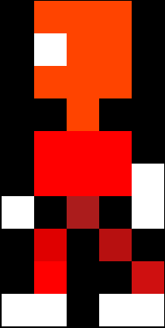
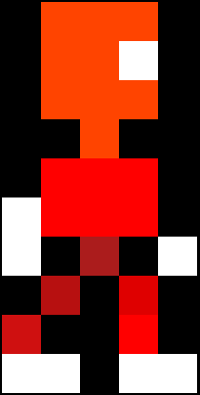
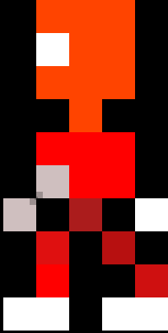
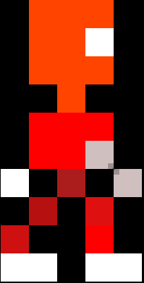
 | 0 | 1 | 2 | 3 | 4 |  |  | 0 | 1 | 2 | 3 | 4 |  |  | 0 | 1 | 2 | 3 | 4 |  |  | 0 | 1 | 2 | 3 | 4 |  |  | 0 | 1 | 2 | 3 | 4 |  |  | 0 | 1 | 2 | 3 | 4
0 | x | O | O | O | x |  | 0 | x | O | O | O | x |  | 0 | x | O | O | O | x |  | 0 | x | O | O | O | x |  | 0 | x | O | O | O | x |  | 0 | x | O | O | O | x |  |  | x | Black
1 | x | W | O | O | x |  | 1 | x | W | O | O | x |  | 1 | x | W | O | O | x |  | 1 | x | O | O | W | x |  | 1 | x | O | O | W | x |  | 1 | x | O | O | W | x |  |  | B | Blue
2 | x | O | O | O | x |  | 2 | x | O | O | O | x |  | 2 | x | O | O | O | x |  | 2 | x | O | O | O | x |  | 2 | x | O | O | O | x |  | 2 | x | O | O | O | x |  |  | O | Orange
3 | x | x | O | x | x |  | 3 | x | x | O | x | x |  | 3 | x | x | O | x | x |  | 3 | x | x | O | x | x |  | 3 | x | x | O | x | x |  | 3 | x | x | O | x | x |  |  | W | White
4 | x | R | R | R | x |  | 4 | x | R | R | R | x |  | 4 | x | R | R | R | x |  | 4 | x | R | R | R | x |  | 4 | x | R | R | R | x |  | 4 | x | R | R | R | x |  |  | P | Pink
5 | x | R | W | R | x |  | 5 | x | W | R | R | x |  | 5 | x | R | R | R | W |  | 5 | x | R | W | R | x |  | 5 | W | R | R | R | x |  | 5 | x | R | R | W | x |  |  | R | Red
6 | x | R | W | R | x |  | 6 | W | x | R | x | W |  | 6 | W | x | R | x | W |  | 6 | x | R | W | R | x |  | 6 | W | x | R | x | W |  | 6 | W | x | R | x | W |  |  | g | Grey
7 | x | x | R | x | x |  | 7 | x | R | x | R | x |  | 7 | x | R | x | R | x |  | 7 | x | x | R | x | x |  | 7 | x | R | x | R | x |  | 7 | x | R | x | R | x |  |  | Y | Yellow
8 | x | x | R | x | x |  | 8 | x | R | x | x | R |  | 8 | x | R | x | x | R |  | 8 | x | x | R | x | x |  | 8 | R | x | x | R | x |  | 8 | R | x | x | R | x |  |  | V | Violet (Purple)
9 | x | W | W | x | x |  | 9 | W | W | x | W | W |  | 9 | W | W | x | W | W |  | 9 | x | x | W | W | x |  | 9 | W | W | x | W | W |  | 9 | W | W | x | W | W |  |  | G | Green
10 | x | x | x | x | x |  | 10 | x | x | x | x | x |  | 10 | x | x | x | x | x |  | 10 | x | x | x | x | x |  | 10 | x | x | x | x | x |  | 10 | x | x | x | x | x
 |  |  |  |  |  | mikey1 |  |  |  |  |  |  | mikey2 |  |  |  |  |  |  | mikey3 |  |  |  |  |  |  | mikey4 |  |  |  |  |  |  | mikey5 |  |  |  |  |  |  | mikey6





 | 0 | 1 | 2 | 3 | 4 |  |  | 0 | 1 | 2 | 3 | 4 |  |  | 0 | 1 | 2 | 3 | 4 |  |  | 0 | 1 | 2 | 3 | 4 |  |  | 0 | 1 | 2 | 3 | 4 |  |  | 0 | 1 | 2 | 3 | 4
0 | x | O | O | O | x |  | 0 | x | O | O | O | x |  | 0 | x | O | O | O | x |  | 0 | x | O | O | O | x |  | 0 | x | O | O | O | x |  | 0 | x | O | O | O | x
1 | x | W | O | W | x |  | 1 | x | W | O | W | x |  | 1 | x | W | O | W | x |  | 1 | x | O | O | O | x |  | 1 | x | O | O | O | x |  | 1 | x | O | O | O | x
2 | x | O | W | O | x |  | 2 | x | O | W | O | x |  | 2 | x | O | W | O | x |  | 2 | x | O | O | O | x |  | 2 | x | O | O | O | x |  | 2 | x | O | O | O | x
3 | x | x | O | x | x |  | 3 | x | x | O | x | x |  | 3 | x | x | O | x | x |  | 3 | x | x | O | x | x |  | 3 | x | x | O | x | x |  | 3 | x | x | O | x | x
4 | R | R | R | R | R |  | 4 | W | R | R | R | R |  | 4 | R | R | R | R | W |  | 4 | R | R | R | R | R |  | 4 | W | R | R | R | R |  | 4 | R | R | R | R | W
5 | W | R | R | R | W |  | 5 | W | R | R | R | W |  | 5 | W | R | R | R | W |  | 5 | W | R | R | R | W |  | 5 | W | R | R | R | W |  | 5 | W | R | R | R | W
6 | W | R | R | R | W |  | 6 | x | R | R | R | W |  | 6 | W | R | R | R | x |  | 6 | W | R | R | R | W |  | 6 | x | R | R | R | W |  | 6 | W | R | R | R | x
7 | x | R | x | R | x |  | 7 | x | R | x | R | x |  | 7 | x | R | x | R | x |  | 7 | x | R | x | R | x |  | 7 | x | R | x | R | x |  | 7 | x | R | x | R | x
8 | x | R | x | R | x |  | 8 | x | R | x | W | W |  | 8 | W | W | x | R | x |  | 8 | x | R | x | R | x |  | 8 | x | R | x | W | W |  | 8 | W | W | x | R | x
9 | W | W | x | W | W |  | 9 | x | R | x | x | x |  | 9 | x | x | x | R | x |  | 9 | W | W | x | W | W |  | 9 | x | R | x | x | x |  | 9 | x | x | x | R | x
10 | x | x | x | x | x |  | 10 | W | W | x | x | x |  | 10 | x | x | x | W | W |  | 10 | x | x | x | x | x |  | 10 | W | W | x | x | x |  | 10 | x | x | x | W | W
 |  |  |  |  |  | mikey7 |  |  |  |  |  |  |  |  |  |  |  |  |  |  |  |  |  |  |  |  | mikey10
 |  |  |  |  |  |  |  |  |  |  |  |  | mikey8 |  |  |  |  |  |  | mikey9 |  |  |  |  |  |  |  |  |  |  |  |  |  | mikey11 |  |  |  |  |  |  |  | mikey12

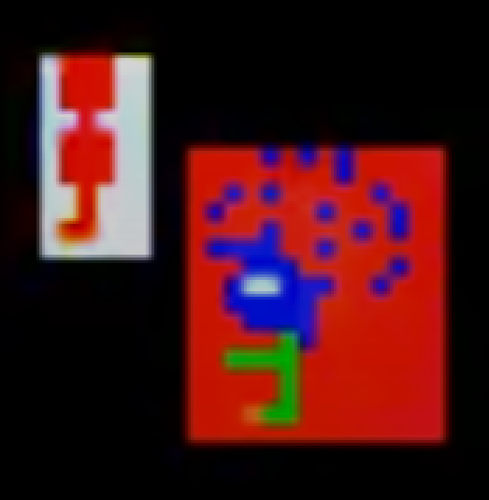
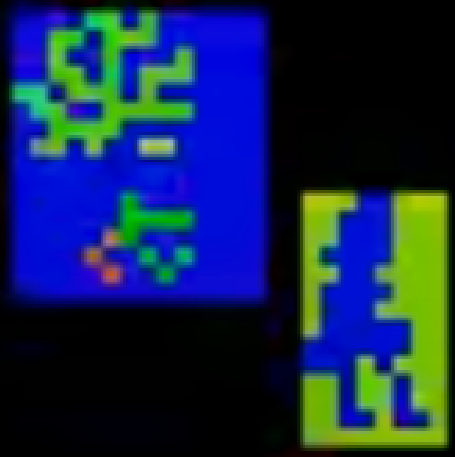

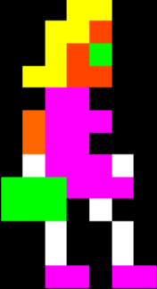

At the beginning of this: https://www.youtube.com/watch?v=l800GL6NQPY&t=435s&ab_channel=OldClassicRetroGaming the progs seem to be one of the "poses" of the model where the colours flash.

